Sheet1
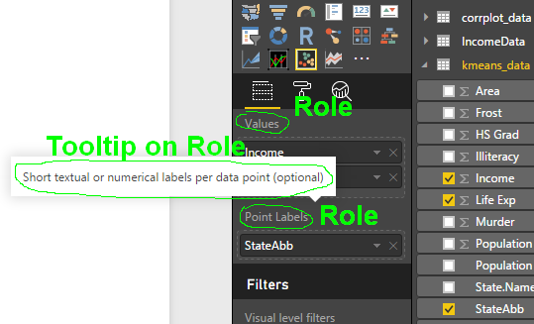
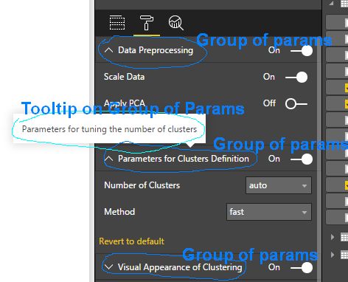
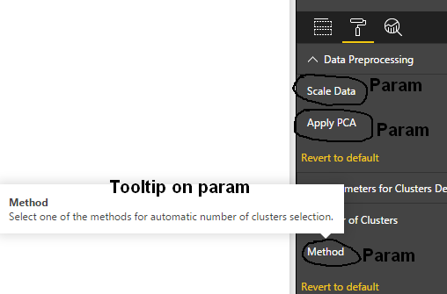

# | Type | Display Name | Tooltip | Scrubbed Tooltip
 | Role | Date | Equally spaced date values
 | Role | Value | Numeric variable
 | Role

 | Group of Parameters | Forecasting settings | Forecasting settings
 | param | Forecast length | Maximal number of data points to predict
 | param | Seasonal factor #1 | Specify, if time series is influenced by known seasonal factors. Non compatible seasonality will be ignored
 | param | Seasonal factor #2 | Specify, if time series is influenced by known seasonal factors. Non compatible seasonality will be ignored
 | param | Seasonal period #1 | Number of data points in smaller season period. For example, for time series with 15 minutes interval and daily seasonality the value is 96.
 | param | Seasonal period #2 | Number of data points in larger season period. For example, for time series with 15 minutes interval and weekly seasonality the value is 672.

 | Group of Parameters | Confidence intervals
 | param | Confidence level | Select first confidence interval
 | param | Confidence level #2 | Select additional confidence interval

 | Group of Parameters | Graphical parameters
 | param | Actual data color
 | param | Forecast data color
 | param | Fitted data color
 | param | Opacity
 | param | Line width
 | param | Show subset of dates
 | param | Shift reported period (in hours) | Value in hours used to shift reported period, for example: 4 if nominal day starts at 4 am, or 24 if nominal week starts at Monday
 | param | Show fitted values

 | Group of Parameters | Labels and axes
 | param | Labels font size
 | param | Labels color
 | param | Scientific view Y-axis
 | param | Dates format on X-axis | Format of X-ticks

 | Group of Parameters | Advanced parameters
 | param | Fast execution mode | Relatively fast non-accurate execution mode
 | param | Positive data values | Set negative prediction to zero
 | param | Parallel processing | Use parallel processing, if possible

 | Group of Parameters | Info parameters
 | param | Font size
 | param | Font color
 | param | Number of digits | Number of digits to the right of the decimal point
 | param | Information content | Select one of the items: information criterion (AIC), cumulative forecast value (actual + predicted), or TBATS method

